Sheet2
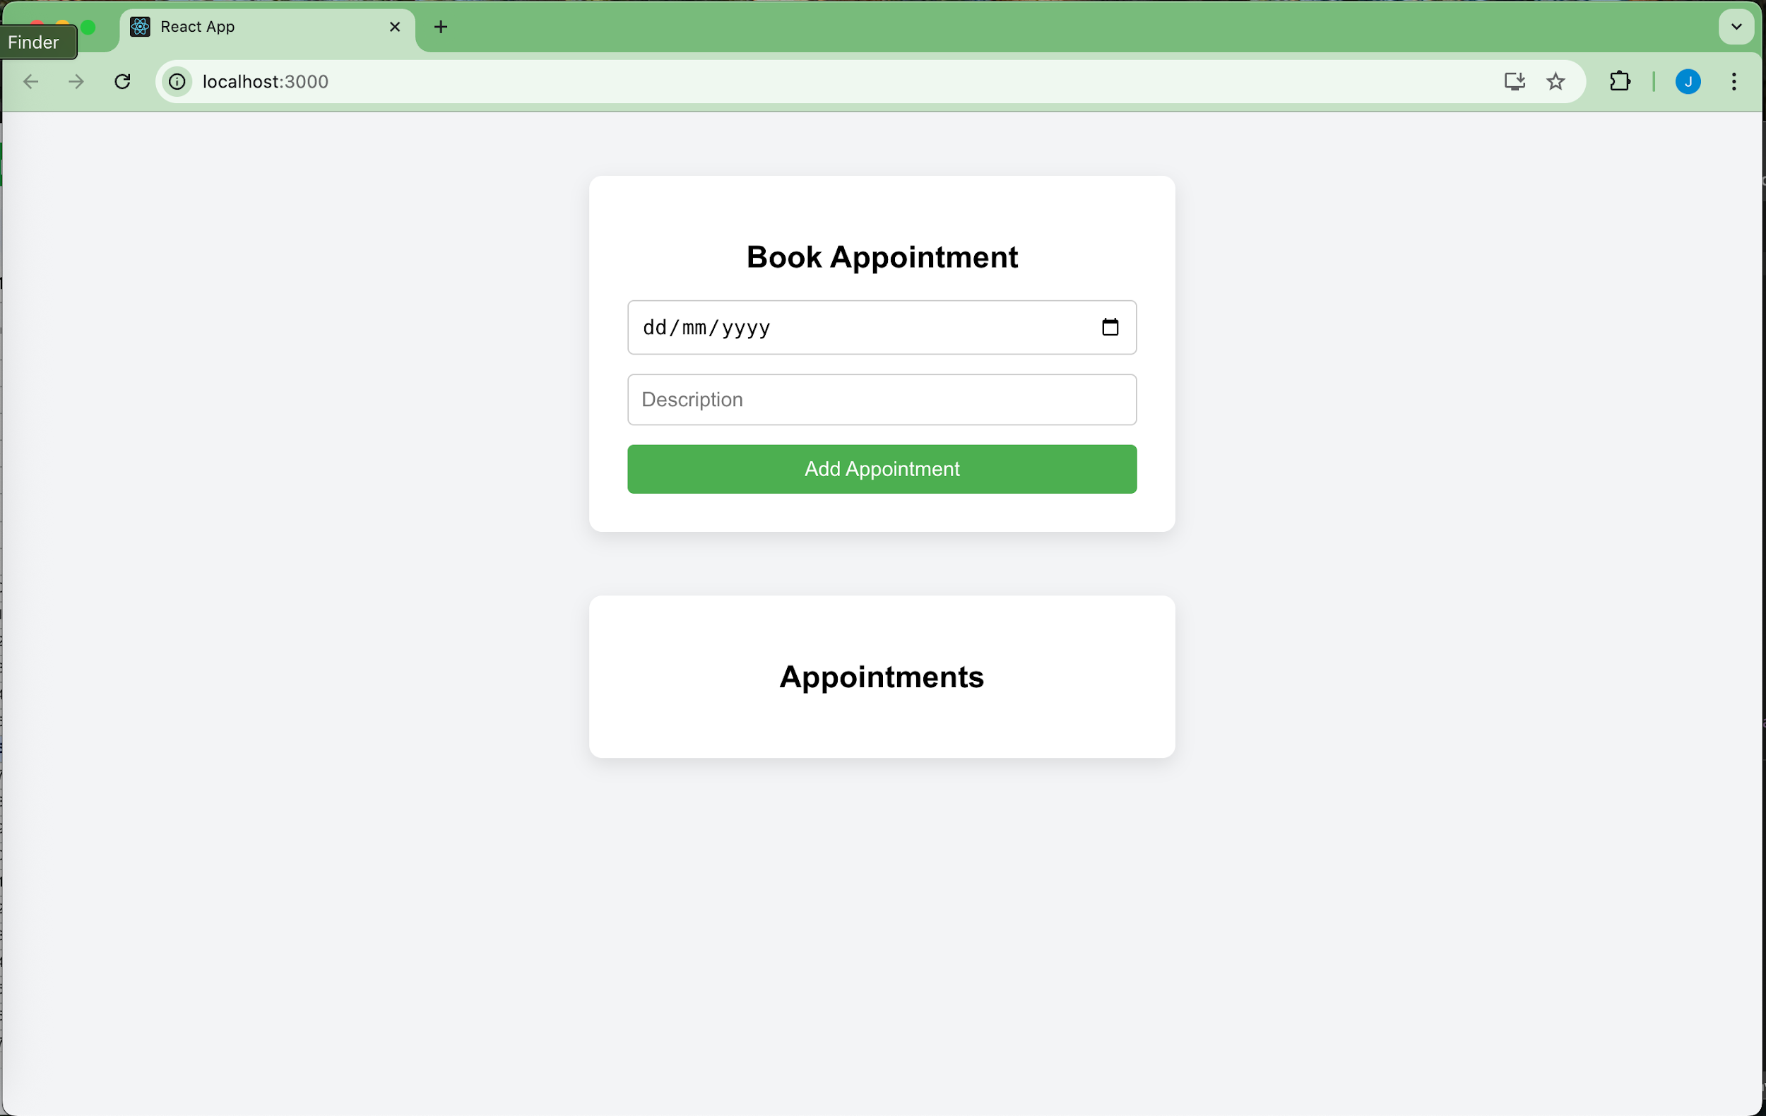
Field | Entry
Bug ID | BUG-667
Title | Missing logout button in application
Description | After a user logs in successfully, there is no visible or accessible logout button or link. Users cannot end their session or return to the login screen.
Steps to Reproduce | 1. Launch the app2. Enter valid credentials (testuser, password123)3. Click "Login"4. Observe the page after login
Expected Result | A logout button/link should be available so the user can log out and be redirected to the login page
Actual Result | No logout option is present on the screen
Severity | Medium
Priority | Medium
Environment | React App v1.0 – Chrome 125 – MacOS
Status | Open
Attachment | Screenshot.png

